Sheet1
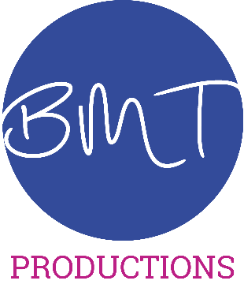
BMT Uniform - Order Form

Female Sizes - 8-S22 | Mens Sizes - XS-XXXL

Item | M/F | Size | Quantity | Unit Cost | Total | Polo Shirt | XS
 |  |  |  | £0.00 | £0.00 | Zip-Up Hoodie | S
 |  |  |  | £0.00 | £0.00 |  | M
 |  |  |  | £0.00 | £0.00 | Male | L
 |  |  |  | £0.00 | £0.00 | Female | XL
 |  |  |  | £0.00 | £0.00 |  | XXL
 |  |  |  | £0.00 | £0.00 |  | XXXL
 |  |  |  | £0.00 | £0.00 |  | XXXL
 |  |  |  | £0.00 | £0.00 |  | 8
 |  |  |  |  |  |  | 10
 |  |  | Order Total |  | £0.00 |  | 12
 |  |  |  |  |  |  | 14
Please send the money for this order by BACS to BMT Productions at the following bank details |  |  |  |  |  |  | 16
Barclays Bank |  |  |  |  |  |  | 18
S/C - 20-11-43 |  |  |  |  |  |  | 20
Account - 33302342 |  |  |  |  |  |  | 22
Please return this form to info@bmtproductions.co.uk. All orders and payments must be received by 19th January to be included in this seasons order. The next order will not be made until Spring 2020 |  |  |  |  |  |  | S22

